1. Create account
Project: |  | Version | 0.1 | Sprint | 2
Team: |  | Reviewed by
Document: | Sitemap | Approved by

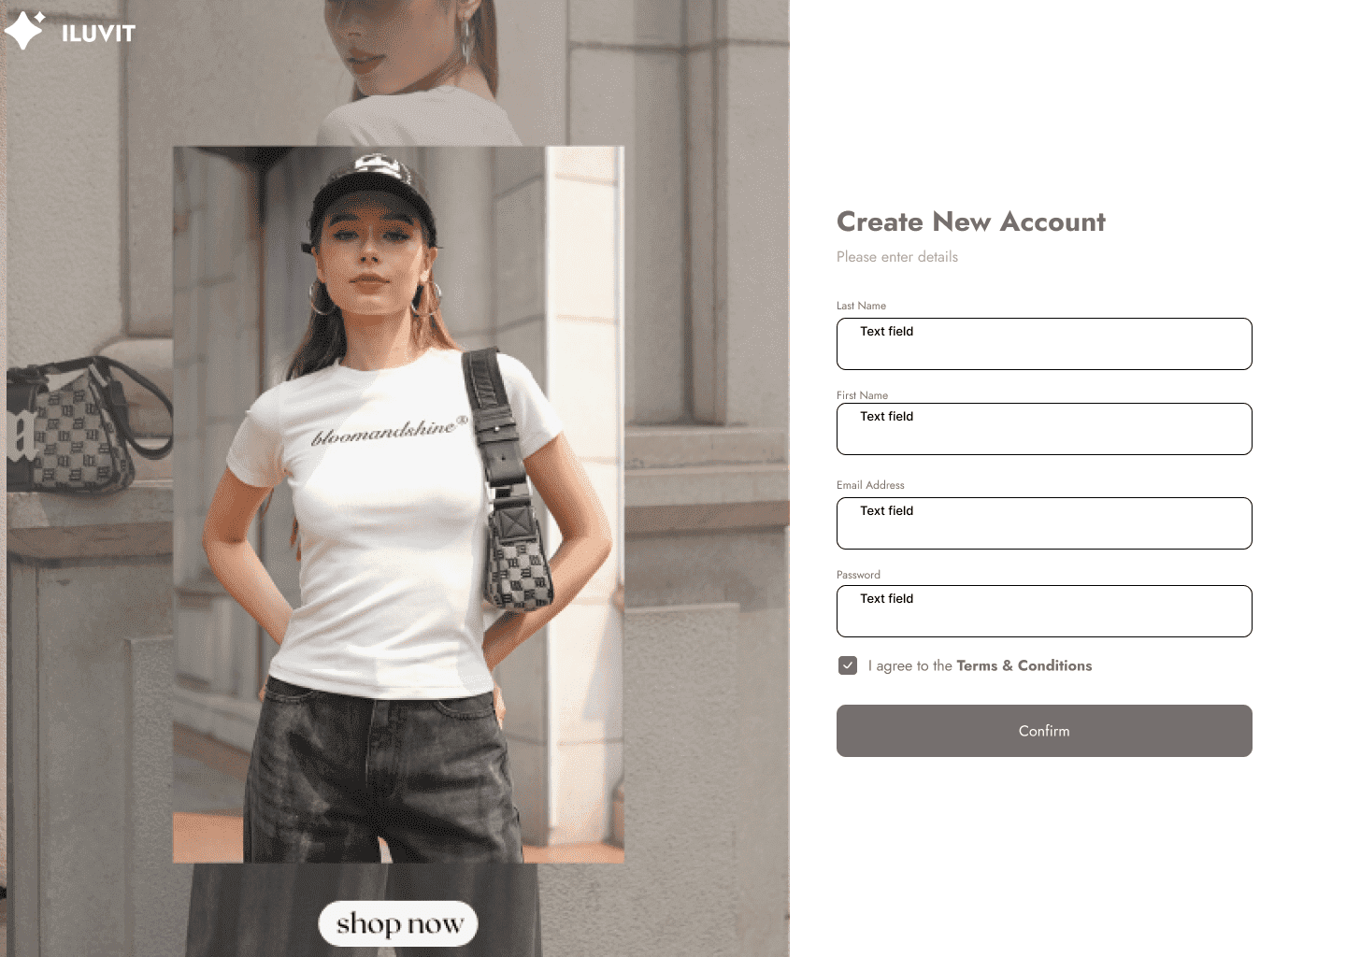

 |  |  |  |  |  |  | Click here to fill last name

 |  |  |  |  |  |  | Click to fill first name

 |  |  |  |  |  |  | Click to fill email address

 |  |  |  |  |  |  | Click to fill password

 |  |  |  |  |  |  | Click here to confirm

 |  |  |  |  |  | Click here to agree to the terms and conditions

13. Chat with seller
Project: |  | Version | 0.1 | Sprint | 2
Team: |  | Reviewed by
Document: | Sitemap | Approved by

 |  |  |  |  | Go to the messages section

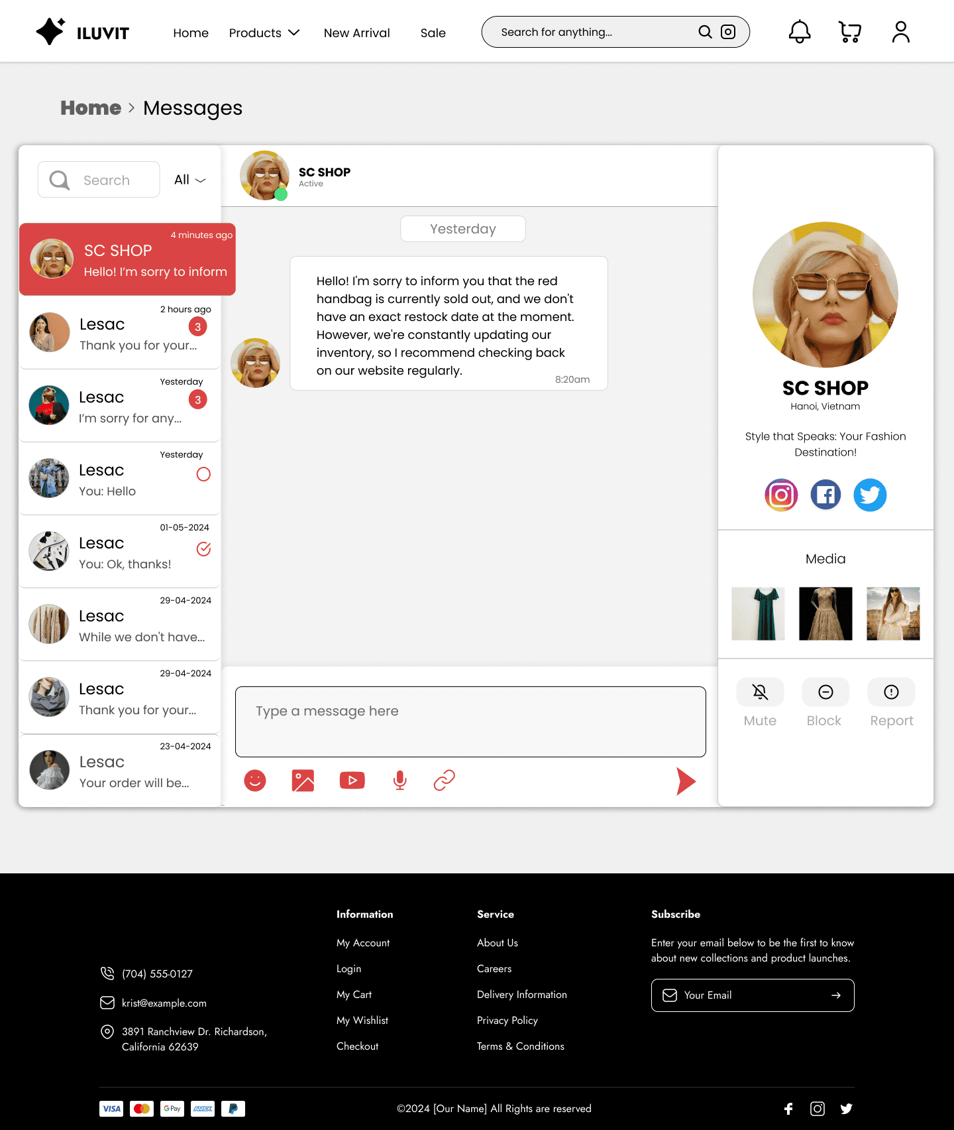
 |  | Search name shop

 | Click here to read message and reply

 |  |  |  |  |  |  |  | Click here to contact shops via social networking platforms

 |  |  |  |  |  |  |  | Click here to mute volume

 |  |  |  |  |  |  |  |  | Click here to block shop

 | Click here to type a message

 |  |  |  |  |  |  |  |  | Click here to report shop

 |  |  |  |  |  |  |  | Click here to send message

 | Click here to add icon into message

 |  | Click to choose and send image

 |  |  |  |  |  |  | User can send document file
 |  |  |  |  | Click to choose and send video | User can send voice to shop

14. Manage cart
Project: |  | Version | 0.1 | Sprint | 2
Team: |  | Reviewed by
Document: | Sitemap | Approved by

 |  |  |  |  | Click to delete all marked items

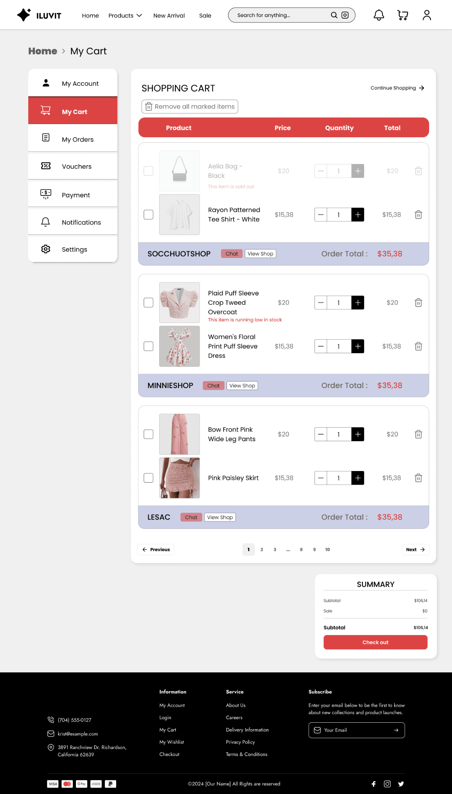

 |  |  |  |  |  | Clike to countinue see other products

 |  |  |  |  |  | Click here to select the quantity of products

 |  |  |  |  |  | Click here to delete product

 |  |  |  |  |  | User can see the total price

 |  | Select item to buy

 |  |  |  |  |  | User can see the price of product

 |  |  |  |  |  | Click here to check out

40. View Users
Project: |  | Version | 0.1 | Sprint | 2
Team: |  | Reviewed by
Document: | Sitemap | Approved by

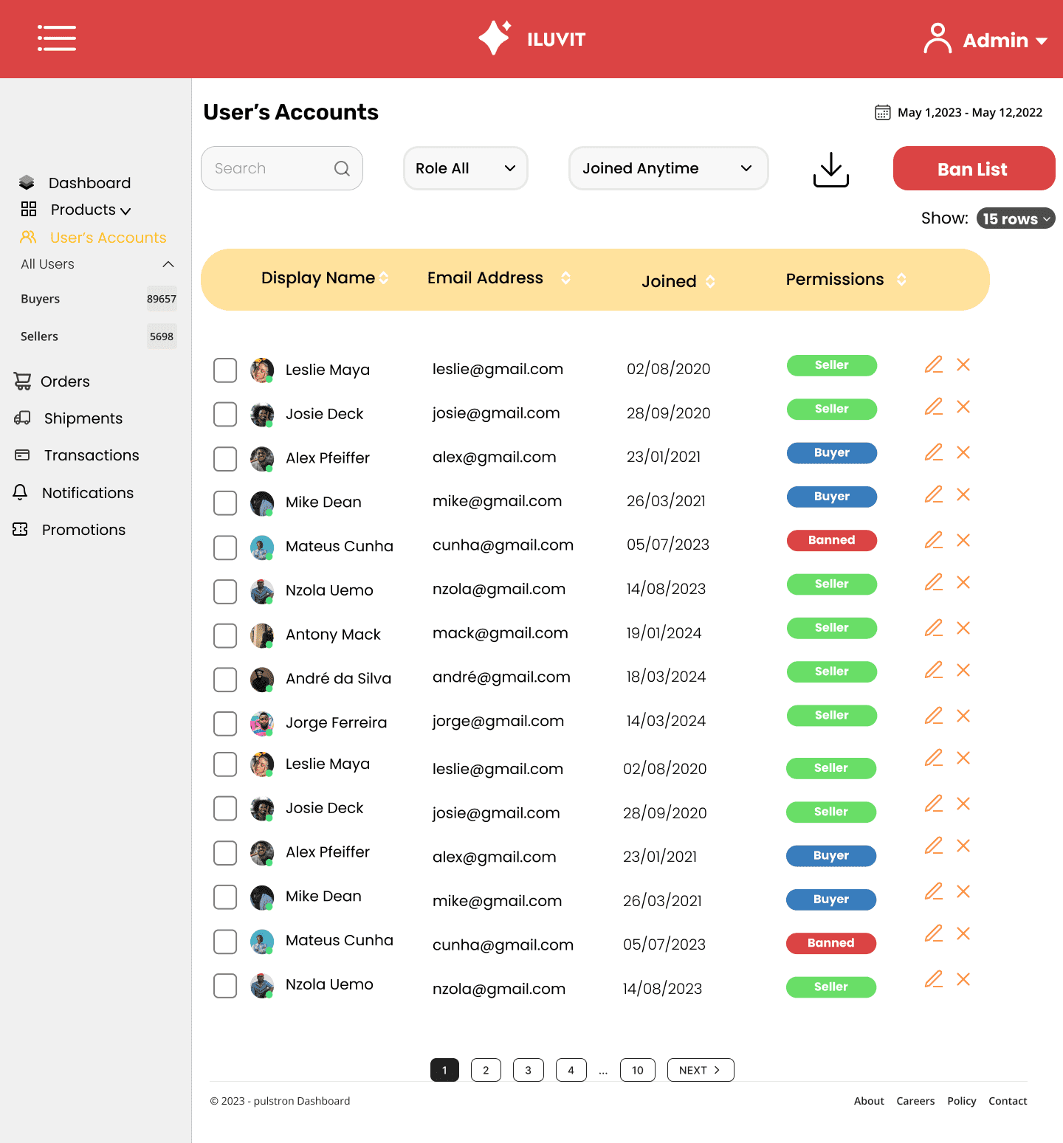
 |  |  |  |  |  |  | Click Ban List to display the banned list

 |  |  |  |  |  |  |  | Click to select 15 rows or 10 rows

 |  |  |  |  |  |  | The edit icon is used to edit user information

 | Click user account in the left sidebar to go to the user account page

 |  |  |  |  |  |  |  | x icon to delete the user account

 | Click on the checkboxes to mass ban

 |  |  |  |  |  | Green buttons are used to identify sellers, blue are buyers and red are banned users

